ISS reports summary
Cumulative cases w/ symptom onset or diagnosis/swab date and cumulative reported cases. Source: ISS.
 | cumulative incidence of cases w/ symptom onset date | cumulative incidence of cases w/ diagnosis/swab date | cumulative reported cases
2020-03-09 | 0 | 0 | 0
2020-03-10 | 4555 | 7812 | 8342
2020-03-11
2020-03-12
2020-03-13 | 8331 | 13323 | 13882
2020-03-14
2020-03-15
2020-03-16
2020-03-17 | 13601 | 24346 | 25028
2020-03-18 | 16181 | 27224 | 28293
2020-03-19 | 17389 | 30722 | 31772
2020-03-20 | 18966 | 34927 | 35731
2020-03-21 | 21157 | 39981 | 42220
2020-03-22 | 22993 | 46584 | 48452
2020-03-23 | 28330 | 50246 | 52796
2020-03-24 | 29603 | 55059 | 57989
2020-03-25 | 31959 | 59203 | 62844
2020-03-26 | 34371 | 64130 | 67814
2020-03-27 | 37403 | 70418 | 73780
2020-03-28 | 44204 | 76714 | 79968
2020-03-29 | 46704 | 82510 | 85308
2020-03-30 | 48525 | 87038 | 89967
2020-03-31 | 53084 | 90972 | 94312
2020-04-01 | 55280 | 95077 | 98716
2020-04-02 | 57951 | 98500 | 102669
2020-04-03 | 60313 | 101994 | 106399
2020-04-04 | 63084 | 107342 | 112401
2020-04-05 | 65145 | 111692 | 117050
2020-04-06 | 70012 | 116363 | 120290
2020-04-07 | 71354 | 120570 | 124527
2020-04-08 | 73040 | 123801 | 127790
2020-04-09 | 75897 | 127642 | 131751
2020-04-10 | 77927 | 131995 | 136110
2020-04-11 | 77878 | 133700 | 139377
2020-04-12 | 81792 | 139347 | 143199
2020-04-13 | 82648 | 142425 | 146321
2020-04-14 | 83817 | 146233 | 150189
2020-04-15
2020-04-16 | 86392 | 151212 | 155467
2020-04-17 | 87954 | 155133 | 159107
2020-04-18 | 90191 | 157904 | 162004
2020-04-19
2020-04-20
2020-04-21 | 93188 | 165282 | 169325
2020-04-22
2020-04-23 | 95815 | 169779 | 173730
2020-04-24 | 97568 | 173325 | 177143
2020-04-25 | 109766 | 179451 | 183269
2020-04-26
2020-04-27
...
day of week | date | time | cumulative incidence of cases w/ symptom onset date | cumulative incidence of cases w/ diagnosis/swab date | cumulative reported cases | cumulative reported deaths
Mon | 2020-03-09 | 16:00:00 | 4555 | 7812 | 8342 | 357
Tue | 2020-03-10 | 16:00:00
Wed | 2020-03-11 | 16:00:00
Thu | 2020-03-12 | 16:00:00 | 8331 | 13323 | 13882 | 803
Fri | 2020-03-13 | 16:00:00
Sat | 2020-03-14 | 16:00:00
Sun | 2020-03-15 | 16:00:00
Mon | 2020-03-16 | 16:00:00 | 13601 | 24346 | 25028 | 1647
Tue | 2020-03-17 | 16:00:00 | 16181 | 27224 | 28293 | 2003
Wed | 2020-03-18 | 16:00:00 | 17389 | 30722 | 31772 | 2390
Thu | 2020-03-19 | 16:00:00 | 18966 | 34927 | 35731 | 3047
Fri | 2020-03-20 | 16:00:00 | 21157 | 39981 | 42220 | 3200
Sat | 2020-03-21 | 16:00:00 | 22993 | 46584 | 48452 | 3770
Sun | 2020-03-22 | 16:00:00 | 28330 | 50246 | 52796 | 4465
Mon | 2020-03-23 | 16:00:00 | 29603 | 55059 | 57989 | 5019
Tue | 2020-03-24 | 16:00:00 | 31959 | 59203 | 62844 | 5542
Wed | 2020-03-25 | 16:00:00 | 34371 | 64130 | 67814 | 6157
Thu | 2020-03-26 | 16:00:00 | 37403 | 70418 | 73780 | 6801
Fri | 2020-03-27 | 16:00:00 | 44204 | 76714 | 79968 | 7590
Sat | 2020-03-28 | 16:00:00 | 46704 | 82510 | 85308 | 8460
Sun | 2020-03-29 | 17:00:00 | 48525 | 87038 | 89967 | 9220
Mon | 2020-03-30 | 18:00:00 | 53084 | 90972 | 94312 | 10026
Tue | 2020-03-31 | 19:00:00 | 55280 | 95077 | 98716 | 10943
Wed | 2020-04-01 | 16:00:00 | 57951 | 98500 | 102669 | 11857
cumulative reported deaths. Source: ISS.
 | cumulative reported deaths
2020-03-09 | 357
2020-03-10
2020-03-11
2020-03-12 | 803
2020-03-13
2020-03-14
2020-03-15
2020-03-16 | 1647
2020-03-17 | 2003
2020-03-18 | 2390
2020-03-19 | 3047
2020-03-20 | 3200
2020-03-21 | 3770
2020-03-22 | 4465
2020-03-23 | 5019
2020-03-24 | 5542
2020-03-25 | 6157
2020-03-26 | 6801
2020-03-27 | 7590
2020-03-28 | 8460
2020-03-29 | 9220
2020-03-30 | 10026
2020-03-31 | 10943
2020-04-01 | 11857
2020-04-02 | 12550
2020-04-03 | 13241
2020-04-04 | 13828
2020-04-05 | 14381
2020-04-06 | 14860
2020-04-07 | 15751
2020-04-08 | 16162
2020-04-09 | 16654
2020-04-10 | 17364
2020-04-11 | 17916
2020-04-12 | 18366
2020-04-13 | 18641
2020-04-14
2020-04-15 | 19508
2020-04-16 | 19996
2020-04-17 | 20531
2020-04-18
2020-04-19
2020-04-20 | 21551
2020-04-21
2020-04-22 | 22586
2020-04-23 | 23188
2020-04-24 | 23576
2020-04-25
2020-04-26
2020-04-27 | 24780
...
Thu | 2020-04-02 | 16:00:00 | 60313 | 101994 | 106399 | 12550
Fri | 2020-04-03 | 16:00:00 | 63084 | 107342 | 112401 | 13241
Sat | 2020-04-04 | 16:00:00 | 65145 | 111692 | 117050 | 13828
Sun | 2020-04-05 | 16:00:00 | 70012 | 116363 | 120290 | 14381
Mon | 2020-04-06 | 16:00:00 | 71354 | 120570 | 124527 | 14860
Tue | 2020-04-07 | 16:00:00 | 73040 | 123801 | 127790 | 15751
Wed | 2020-04-08 | 16:00:00 | 75897 | 127642 | 131751 | 16162
Thu | 2020-04-09 | 16:00:00 | 77927 | 131995 | 136110 | 16654
Fri | 2020-04-10 | 16:00:00 | 77878 | 133700 | 139377 | 17364
Sat | 2020-04-11 | 16:00:00 | 81792 | 139347 | 143199 | 17916
Sun | 2020-04-12 | 16:00:00 | 82648 | 142425 | 146321 | 18366
Mon | 2020-04-13 | 16:00:00 | 83817 | 146233 | 150189 | 18641
Tue | 2020-04-14 | 16:00:00
Wed | 2020-04-15 | 16:00:00 | 86392 | 151212 | 155467 | 19508
Thu | 2020-04-16 | 16:00:00 | 87954 | 155133 | 159107 | 19996
Fri | 2020-04-17 | 16:00:00 | 90191 | 157904 | 162004 | 20531
Sat | 2020-04-18 | 16:00:00
Sun | 2020-04-19 | 16:00:00
Mon | 2020-04-20 | 16:00:00 | 93188 | 165282 | 169325 | 21551
Tue | 2020-04-21 | 16:00:00
Wed | 2020-04-22 | 16:00:00 | 95815 | 169779 | 173730 | 22586
Thu | 2020-04-23 | 16:00:00 | 97568 | 173325 | 177143 | 23188
Fri | 2020-04-24 | 16:00:00 | 109766 | 179451 | 183269 | 23576
Sat | 2020-04-25 | 16:00:00
Sun | 2020-04-26 | 16:00:00
Mon | 2020-04-27 | 16:00:00 | 118063 | 193301 | 197096 | 24780
Tue | 2020-04-28 | 16:00:00 | 125629 | 195715 | 199470 | 25215
Wed | 2020-04-29 | 16:00:00
Thu | 2020-04-30 | 16:00:00
Fri | 2020-05-01 | 16:00:00 | 125955 | 201077 | 204576 | 26049
Sat | 2020-05-02 | 16:00:00
Sun | 2020-05-03 | 16:00:00
Mon | 2020-05-04 | 16:00:00 | 123955 | 205891 | 209254 | 26892

Italy cases by symptom onset da
Date | N. cases by symptom onset | WebPlotDigitazer digitization software (https://apps.automeris.io/wpd/) has been used to digitize from pdf graph. The points were extracted manually. The fixed value error bar refers to bar extraction algorithm. Actual errors related to the manual process may differ. |  | Image size | 2108 | x | 1575 | val. min | -1081.6 | val. max | 6503.3 | ∆x= | 30 | px | ∆val= | 10 | px
2020-01-24 | 0 |  |  |  |  | val / px | 4.8158095238 |  |  |  |  |  |  |  | err. bar= | 48.158095238 | px
2020-01-25 | 0
2020-01-26 | 0 |  | Data source: | https://www.epicentro.iss.it/en/coronavirus/bollettino/Infografica_1maggio%20ENG.pdf
2020-01-27 | 0
2020-01-28 | 12.295081967
2020-01-29 | 6.1475409836
2020-01-30 | 18.442622951
2020-01-31 | 18.442622951
2020-02-01 | 36.885245902
Cases by symptom onset date from 24-jan to 16-apr 2020. Source: ISS*. (*error bars refer to the digitization process not to source data)
2020-01-24 |  |  | 0
2020-01-25 |  |  | 0
2020-01-26 |  |  | 0
2020-01-27 |  |  | 0
2020-01-28 |  |  | 12.295081967
2020-01-29 |  |  | 6.1475409836
2020-01-30 |  |  | 18.442622951
2020-01-31 |  |  | 18.442622951
2020-02-01 |  |  | 36.885245902
2020-02-02 |  |  | 30.737704918
2020-02-03 |  |  | 24.590163934
2020-02-04 |  |  | 24.590163934
2020-02-05 |  |  | 30.737704918
2020-02-06 |  |  | 24.590163934
2020-02-07 |  |  | 18.442622951
2020-02-08 |  |  | 12.295081967
2020-02-09 |  |  | 18.442622951
2020-02-10 |  |  | 55.327868852
2020-02-11 |  |  | 24.590163934
2020-02-12 |  |  | 36.885245902
2020-02-13 |  |  | 43.032786885
2020-02-14 |  |  | 61.475409836
2020-02-15 |  |  | 122.95081967
2020-02-16 |  |  | 86.06557377
2020-02-17 |  |  | 129.09836066
2020-02-18 |  |  | 159.83606557
2020-02-19 |  |  | 122.95081967
2020-02-20 |  |  | 375
2020-02-21 |  |  | 295.08196721
2020-02-22 |  |  | 362.70491803
2020-02-23 |  |  | 504.09836066
2020-02-24 |  |  | 639.3442623
2020-02-25 |  |  | 793.03278689
2020-02-26 |  |  | 762.29508197
2020-02-27 |  |  | 842.21311475
2020-02-28 |  |  | 1088.1147541
2020-02-29 |  |  | 977.45901639
2020-03-01 |  |  | 2133.1967213
2020-03-02 |  |  | 1727.4590164
2020-03-03 |  |  | 1979.5081967
2020-03-04 |  |  | 1733.6065574
2020-03-05 |  |  | 2280.7377049
2020-03-06 |  |  | 2625
2020-03-07 |  |  | 2729.5081967
2020-03-08 |  |  | 3172.1311475
2020-03-09 |  |  | 3780.7377049
2020-03-10 |  |  | 5286.8852459
2020-03-11 |  |  | 3676.2295082
2020-03-12 |  |  | 4155.7377049
2020-03-13 |  |  | 4426.2295082
...
https://www.epicentro.iss.it/en/coronavirus/bollettino/Infografica_1maggio%20ENG.pdf
2020-02-02 | 30.737704918
2020-02-03 | 24.590163934
2020-02-04 | 24.590163934
2020-02-05 | 30.737704918
2020-02-06 | 24.590163934
2020-02-07 | 18.442622951
2020-02-08 | 12.295081967
2020-02-09 | 18.442622951
2020-02-10 | 55.327868852
2020-02-11 | 24.590163934
2020-02-12 | 36.885245902
2020-02-13 | 43.032786885
2020-02-14 | 61.475409836
2020-02-15 | 122.95081967
2020-02-16 | 86.06557377
2020-02-17 | 129.09836066
2020-02-18 | 159.83606557
2020-02-19 | 122.95081967
2020-02-20 | 375
2020-02-21 | 295.08196721
2020-02-22 | 362.70491803
2020-02-23 | 504.09836066
2020-02-24 | 639.3442623
2020-02-25 | 793.03278689
2020-02-26 | 762.29508197
2020-02-27 | 842.21311475
2020-02-28 | 1088.1147541
2020-02-29 | 977.45901639
2020-03-01 | 2133.1967213
2020-03-02 | 1727.4590164
2020-03-03 | 1979.5081967
2020-03-04 | 1733.6065574
2020-03-05 | 2280.7377049
2020-03-06 | 2625
2020-03-07 | 2729.5081967
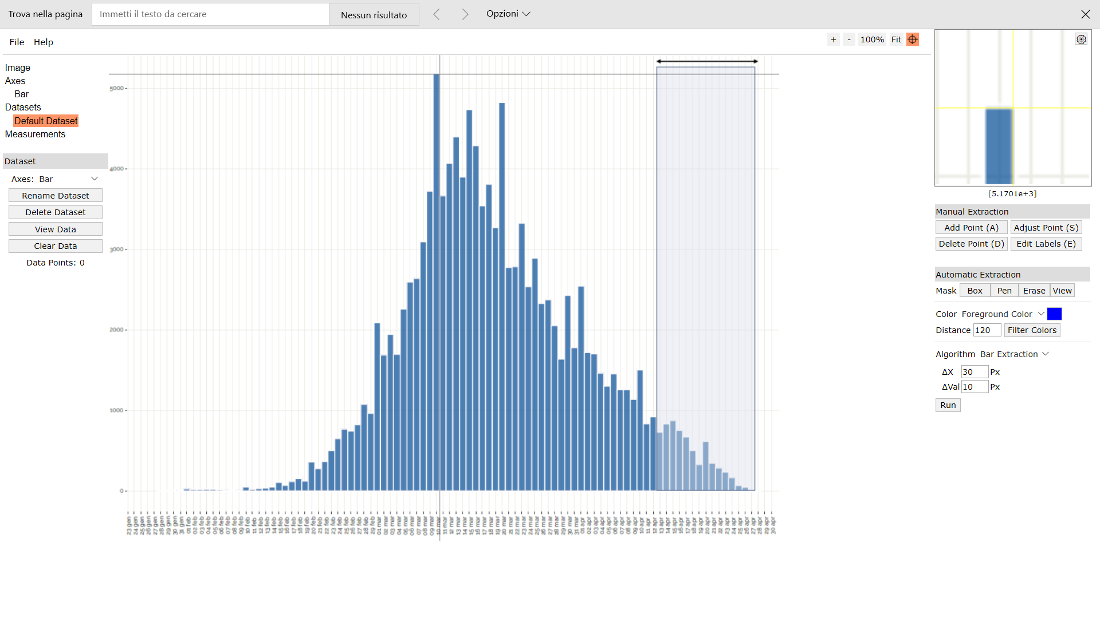
Digitizer example page
2020-03-08 | 3172.1311475
2020-03-09 | 3780.7377049
2020-03-10 | 5286.8852459
2020-03-11 | 3676.2295082
2020-03-12 | 4155.7377049
2020-03-13 | 4426.2295082
2020-03-14 | 3983.6065574
2020-03-15 | 4709.0163934
2020-03-16 | 4346.3114754
2020-03-17 | 3565.5737705
2020-03-18 | 3848.3606557
2020-03-19 | 3375
2020-03-20 | 4887.295082
2020-03-21 | 2963.1147541
2020-03-22 | 2926.2295082
2020-03-23 | 3362.704918
2020-03-24 | 2581.9672131
2020-03-25 | 2846.3114754
2020-03-26 | 2348.3606557
2020-03-27 | 2372.9508197
2020-03-28 | 2139.3442623
2020-03-29 | 1672.1311475
2020-03-30 | 2409.8360656
2020-03-31 | 1758.1967213
2020-04-01 | 2526.6393443
2020-04-02 | 1647.5409836
2020-04-03 | 1665.9836066
2020-04-04 | 1389.3442623
2020-04-05 | 1204.9180328
2020-04-06 | 1334.0163934
2020-04-07 | 1118.852459
2020-04-08 | 1137.295082
2020-04-09 | 1008.1967213
2020-04-10 | 1432.3770492
2020-04-11 | 793.03278689
2020-04-12 | 866.80327869
2020-04-13 | 719.26229508
2020-04-14 | 805.32786885
2020-04-15 | 829.91803279
2020-04-16 | 719.26229508
2020-04-17
2020-04-18
2020-04-19
2020-04-20
2020-04-21
2020-04-22
2020-04-23
2020-04-24
2020-04-25
2020-04-26
2020-04-27
2020-04-28
2020-04-29
2020-04-30
2020-05-01
2020-05-02
2020-05-03
2020-05-04

